Sheet1
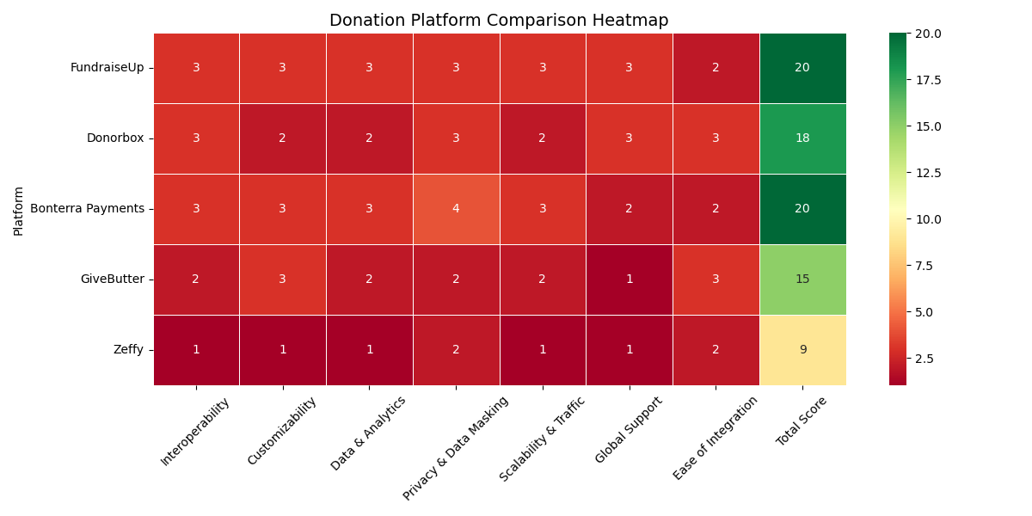
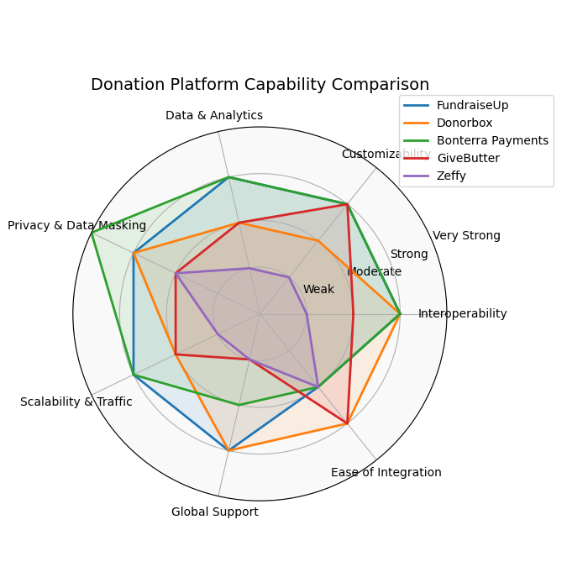
Priority | Platform | Interoperability | Customizability | Data & Analytics | Privacy & Data Masking | Scalability & Traffic | Global Support | Ease of Integration | Best Fit
1 | FundraiseUp | 🟢 | 🟢 | 🟢 | 🟢 | 🟢 | 🟢 | 🟡 | 🟢
2 | Donorbox | 🟢 | 🟡 | 🟡 | 🟢 | 🟡 | 🟢 | 🟢 | 🟢
3 | Bonterra Payments | 🟢 | 🟢 | 🟢 | 🔵 | 🟢 | 🟡 | 🟡 | 🟢
4 | GiveButter | 🟡 | 🟢 | 🟡 | 🟡 | 🟡 | 🔴 | 🟢 | 🟢
5 | Zeffy | 🔴 | 🔴 | 🔴 | 🟡 | 🔴 | 🔴 | 🟡 | 🟡

🟢 Strong
🟡 Moderate
🔴 Weak / Limited
🔵 Key Strength

